Sheet1
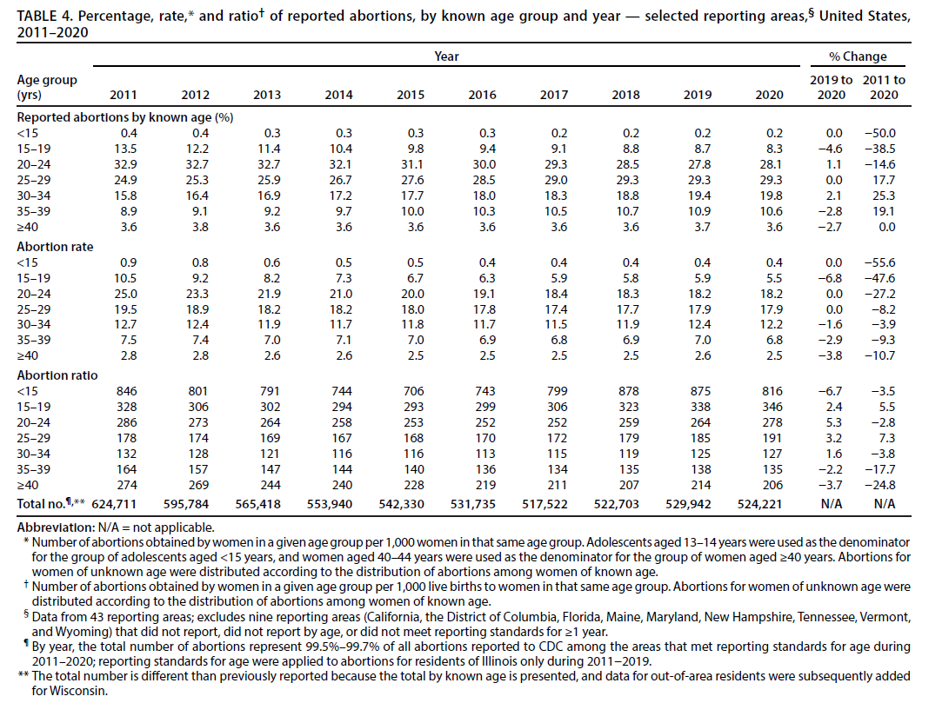
Abortion Ratio (# of abortions per 1000 live births) is lowest for women in their 30s
Source | https://www.cdc.gov/mmwr/volumes/71/ss/ss7110a1.htm
 | Abortion Ratio 2020 (# of abortions per 1000 live births)
<15 | 816
15-19 | 346
20-24 | 278
25-29 | 191
30-34 | 127
35-39 | 135
>=40 | 206

